Linear Regression with outliers
Régression Linéaire (Données de base)
 | Total alcohol consumption per capita (liters of pure alcohol. projected estimates. 15+ years of age)
19.05 | 2.54
18.32 | 2.05
17.62 | 1.31
16.99 | 1.25
15.03 | 0.98
14.99 | 4.12
14.84 | 4.87
14.5 | 24.78
14.33 | 2.04
14.23 | 5.26
14.22 | 1.87
14.14 | 1.26
14.05 | 6.98
13.99 | 1.05
13.86 | 27.98
13.82 | 1.67
13.76 | 11.65
13.72 | 1.79
13.65 | 0.92
13.53 | 11.03
13.33 | 0.98
13.29 | 0.86
13.09 | 3.39
13.01 | 1.29
12.95 | 7.4
12.89 | 1.02
12.81 | 1.61
12.77 | 1.13
12.75 | 0.86
12.63 | 9.88
12.61 | 0.66
12.58 | 1.63
12.48 | 0.96
12.41 | 0.98
12.38 | 2.01
12.38 | 1.38
12.26 | 10.17
12.25 | 1.27
12.23 | 0.73
12.22 | 0.75
12.21 | 1.19
12.18 | 1.28
12.13 | 1.97
12.1 | 1.81
11.97 | 0.87
11.95 | 1.19
11.92 | 1.18
11.81 | 1
11.79 | 3.3
11.7 | 0.65
...
SUMMARY OUTPUT

Regression Statistics
Multiple R | 0.1057 |  | ANOVA
R Square | 0.0112 |  |  | df | SS | MS | F | Significance F
Adjusted R Square | 0.0049 |  | Regression | 1.0000 | 25.2490 | 25.2490 | 1.7841 | 0.1836
Standard Error | 3.7619 |  | Residual | 158.0000 | 2236.0006 | 14.1519
Observations | 160.0000 |  | Total | 159.0000 | 2261.2496

 | Coefficients | Standard Error | t Stat | P-value | Lower 95% | Upper 95% | Lower 95.0% | Upper 95.0%
Intercept | 1.5344 | 0.9699 | 1.5820 | 0.1156 | -0.3812 | 3.4500 | -0.3812 | 3.4500
Total alcohol consumption per capita (liters of pure alcohol. projected estimates. 15+ years of age) | 0.1214 | 0.0909 | 1.3357 | 0.1836 | -0.0581 | 0.3010 | -0.0581 | 0.3010

Linear regression log
Régression linéaire (normalisation des données)
 | Log linear regression
1.30 | 0.55
1.29 | 0.48
1.27 | 0.36
1.26 | 0.35
1.20 | 0.30
1.20 | 0.71
1.20 | 0.77
1.19 | 1.41
1.19 | 0.48
1.18 | 0.80
1.18 | 0.46
1.18 | 0.35
1.18 | 0.90
1.18 | 0.31
1.17 | 1.46
1.17 | 0.43
1.17 | 1.10
1.17 | 0.45
1.17 | 0.28
1.16 | 1.08
1.16 | 0.30
1.16 | 0.27
1.15 | 0.64
1.15 | 0.36
1.14 | 0.92
1.14 | 0.31
1.14 | 0.42
1.14 | 0.33
1.14 | 0.27
1.13 | 1.04
1.13 | 0.22
1.13 | 0.42
1.13 | 0.29
1.13 | 0.30
1.13 | 0.48
1.13 | 0.38
1.12 | 1.05
1.12 | 0.36
1.12 | 0.24
1.12 | 0.24
1.12 | 0.34
1.12 | 0.36
1.12 | 0.47
1.12 | 0.45
1.11 | 0.27
1.11 | 0.34
1.11 | 0.34
1.11 | 0.30
1.11 | 0.63
1.10 | 0.22
...
SUMMARY OUTPUT

Regression Statistics
Multiple R | 0.010 |  | ANOVA
R Square | 0.000 |  |  | df | SS | MS | F | Significance F
Adjusted R Square | -0.006 |  | Regression | 1.000 | 0.001 | 0.001 | 0.017 | 0.898
Standard Error | 0.264 |  | Residual | 156.000 | 10.890 | 0.070
Observations | 158.000 |  | Total | 157.000 | 10.891

 | Coefficients | Standard Error | t Stat | P-value | Lower 95% | Upper 95% | Lower 95.0% | Upper 95.0%
Intercept | 0.487 | 0.132 | 3.683 | 0.000 | 0.226 | 0.748 | 0.226 | 0.748
Alcohol Consumption log | -0.016 | 0.128 | -0.129 | 0.898 | -0.269 | 0.236 | -0.269 | 0.236

Linear Regression no outlier an
SUMMARY OUTPUT
Régression linéaire (sans outliers et normalisé)
 | LOG Homicide
0.73 | 0.71
0.80 | 0.78
0.84 | 0.71
0.79 | 0.51
1.07 | 0.00
0.67 | 0.59
0.77 | 0.46
0.78 | 0.46
0.78 | 0.56
1.14 | 0.31
1.13 | 0.22
1.12 | 0.24
1.11 | 0.27
0.41 | 0.58
0.45 | 0.51
0.47 | 0.42
1.13 | 1.04
1.20 | 0.71
1.08 | 0.52
1.09 | 0.49
0.77 | 0.53
0.83 | 0.39
0.87 | 0.35
1.09 | 0.71
1.07 | 0.55
1.07 | 0.47
1.11 | 0.34
1.08 | 0.51
1.02 | 0.40
1.02 | 0.38
0.98 | 0.26
0.99 | 0.26
1.04 | 0.47
1.01 | 0.23
0.96 | 0.35
1.18 | 0.46
1.18 | 0.31
1.16 | 0.30
1.16 | 0.27
1.10 | 0.32
1.06 | 0.25
1.02 | 0.27
1.06 | 1.05
1.18 | 0.80
1.09 | 0.47
1.04 | 0.59
1.08 | 0.51
1.07 | 0.51
1.01 | 0.39
1.17 | 0.45
...
Regression Statistics |  |  | ANOVA
Multiple R | 0.062 |  |  | df | SS | MS | F | Significance F
R Square | 0.004 |  | Regression | 1.000 | 0.034 | 0.034 | 0.589 | 0.444
Adjusted R Square | -0.003 |  | Residual | 154.000 | 8.964 | 0.058
Standard Error | 0.241 |  | Total | 155.000 | 8.999
Observations | 156.000

 | Coefficients | Standard Error | t Stat | P-value | Lower 95% | Upper 95% | Lower 95.0% | Upper 95.0%
Intercept | 0.550 | 0.121 | 4.534 | 0.000 | 0.310 | 0.789 | 0.310 | 0.789
Consommation d'alcool (sans outliers et normalisé) | -0.090 | 0.117 | -0.768 | 0.444 | -0.322 | 0.142 | -0.322 | 0.142

Linear Regression no outliers
Régression linéaire (sans outliers)
4.43 | 4.12
5.3 | 5.08
5.9 | 4.08
5.11 | 2.26
10.78 | 0
3.71 | 2.87
4.84 | 1.9
5.06 | 1.9
4.98 | 2.59
12.89 | 1.02
12.61 | 0.66
12.23 | 0.73
11.97 | 0.87
1.57 | 2.76
1.81 | 2.23
1.97 | 1.64
12.63 | 9.88
14.99 | 4.12
10.9 | 2.33
11.42 | 2.07
4.92 | 2.37
5.74 | 1.47
6.38 | 1.25
11.37 | 4.1
10.68 | 2.55
10.66 | 1.95
11.92 | 1.18
10.94 | 2.22
9.46 | 1.54
9.48 | 1.42
8.54 | 0.8
8.86 | 0.84
9.88 | 1.93
9.12 | 0.71
8.05 | 1.22
14.22 | 1.87
13.99 | 1.05
13.33 | 0.98
13.29 | 0.86
11.69 | 1.09
10.39 | 0.76
9.4 | 0.86
10.45 | 10.24
14.23 | 5.26
11.26 | 1.96
10 | 2.86
10.95 | 2.27
10.74 | 2.2
9.16 | 1.47
13.72 | 1.79
...
SUMMARY OUTPUT

Regression Statistics
Multiple R | 0.012 |  | ANOVA
R Square | 0.000 |  |  | df | SS | MS | F | Significance F
Adjusted R Square | -0.006 |  | Regression | 1.000 | 0.149 | 0.149 | 0.020 | 0.887
Standard Error | 2.701 |  | Residual | 154.000 | 1123.191 | 7.293
Observations | 156.000 |  | Total | 155.000 | 1123.340

 | Coefficients | Standard Error | t Stat | P-value | Lower 95% | Upper 95% | Lower 95.0% | Upper 95.0%
Intercept | 2.369 | 0.701 | 3.378 | 0.001 | 0.983 | 3.754 | 0.983 | 3.754
Consommation d'alcool (sans outliers) | 0.009 | 0.066 | 0.143 | 0.887 | -0.121 | 0.140 | -0.121 | 0.140

Chi2 Statisitic Test
 | Fréquences observées
 | Niveau du taux d'homicide |  |  |  |  | Fréquence attendues
Niveau d'alcool | Faible | Moyen | élevé | Total |  | Niveau d'alcool | Niveau du taux d'homicide |  |  | Degree of Freedom
Faible | 5 | 5 | 5 | 15 |  |  | Faible | Moyen | Élevé | 4.000
Moyen | 5 | 4 | 7 | 16 |  | Faible | 3.913 | 5.217 | 5.870 | Chi-Square Value
Élevé | 2 | 7 | 6 | 15 |  | Moyen | 4.174 | 5.565 | 6.261 | 2.678 |  | Niveau du taux d'homicide
Total | 12 | 16 | 18 | 46 |  | Élevé | 3.913 | 5.217 | 5.870 | P-Value | Compte des pays
 |  |  |  |  |  |  |  |  |  | 0.613 | Niveau d'alcool | Faible | Moyen | élevé | Total
 |  |  |  |  |  |  |  |  |  | Pearson's Correlation | Faible | 5 | 5 | 5 | 15
 |  |  |  |  |  |  |  |  |  | 0.105 | Moyen | 5 | 4 | 7 | 16
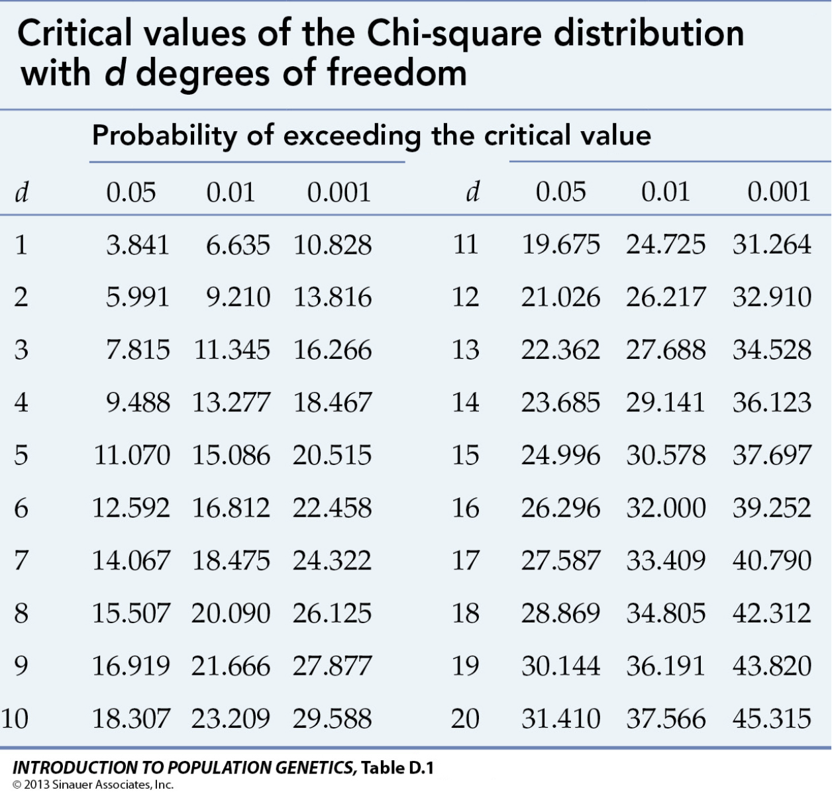
 |  |  |  |  |  |  |  |  |  |  | Élevé | 2 | 7 | 6 | 15
 |  |  |  |  |  |  |  |  |  |  | Total | 12 | 16 | 18 | 46
Chi-Square Value (χ²) | Probability Density | Critical Value |  | Chi-Square Value
0.000 | 0.000 | 9.488 | 0.000 | 2.678 | 0.000
0.500 | 0.097 | 9.488 | 0.001 | 2.678 | 0.000
1.000 | 0.152 | 9.488 | 0.001 | 2.678 | 0.000
1.500 | 0.177 | 9.488 | 0.002 | 2.678 | 0.000
2.000 | 0.184 | 9.488 | 0.002 | 2.678 | 0.000
2.500 | 0.179 | 9.488 | 0.003 | 2.678 | 0.000
3.000 | 0.167 | 9.488 | 0.003 | 2.678 | 0.000
3.500 | 0.152 | 9.488 | 0.004 | 2.678 | 0.000
4.000 | 0.135 | 9.488 | 0.004 | 2.678 | 0.000
4.500 | 0.119 | 9.488 | 0.005 | 2.678 | 0.000
5.000 | 0.103 | 9.488 | 0.005 | 2.678 | 0.000
5.500 | 0.088 | 9.488 | 0.006 | 2.678 | 0.000
6.000 | 0.075 | 9.488 | 0.006 | 2.678 | 0.000
6.500 | 0.063 | 9.488 | 0.007 | 2.678 | 0.000
7.000 | 0.053 | 9.488 | 0.007 | 2.678 | 0.000
7.500 | 0.044 | 9.488 | 0.008 | 2.678 | 0.000
8.000 | 0.037 | 9.488 | 0.008 | 2.678 | 0.000
8.500 | 0.030 | 9.488 | 0.009 | 2.678 | 0.000
9.000 | 0.025 | 9.488 | 0.009 | 2.678 | 0.000
9.500 | 0.021 | 9.488 | 0.010 | 2.678 | 0.000
10.000 | 0.017 | 9.488 | 0.010 | 2.678 | 0.000
10.500 | 0.014 | 9.488 | 0.011 | 2.678 | 0.000
11.000 | 0.011 | 9.488 | 0.011 | 2.678 | 0.000
11.500 | 0.009 | 9.488 | 0.012 | 2.678 | 0.000
12.000 | 0.007 | 9.488 | 0.012 | 2.678 | 0.000
12.500 | 0.006 | 9.488 | 0.013 | 2.678 | 0.000
13.000 | 0.005 | 9.488 | 0.013 | 2.678 | 0.000
13.500 | 0.004 | 9.488 | 0.014 | 2.678 | 0.000
14.000 | 0.003 | 9.488 | 0.014 | 2.678 | 0.000
14.500 | 0.003 | 9.488 | 0.015 | 2.678 | 0.000
15.000 | 0.002 | 9.488 | 0.016 | 2.678 | 0.000
15.500 | 0.002 | 9.488 | 0.016 | 2.678 | 0.000
16.000 | 0.001 | 9.488 | 0.017 | 2.678 | 0.000
16.500 | 0.001 | 9.488 | 0.017 | 2.678 | 0.000
17.000 | 0.001 | 9.488 | 0.018 | 2.678 | 0.000
17.500 | 0.001 | 9.488 | 0.018 | 2.678 | 0.000
18.000 | 0.001 | 9.488 | 0.019 | 2.678 | 0.000
18.500 | 0.000 | 9.488 | 0.019 | 2.678 | 0.000
19.000 | 0.000 | 9.488 | 0.020 | 2.678 | 0.000
19.500 | 0.000 | 9.488 | 0.020 | 2.678 | 0.000
20.000 | 0.000 | 9.488 | 0.021 | 2.678 | 0.176

